Bodnar
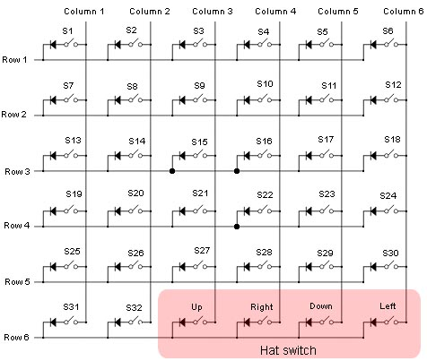
COLUMN | 1 | 2 | 3 | 4 | 5 | 6
ROW
1 | Com Nav | Com Nav | Com Nav | Com Nav | AP | AP
2 | Com Nav | Com Nav | Com Nav | Com Nav | AP | AP
3 | Com Nav | Com Nav | Com Nav | Com Nav | AP | AP
4 | Com Nav | Com Nav | Com Nav | Com Nav | AP | AP
5 | ADF | ADF |  |  | AP | AP
6 | ADF | ADF | Hat Switch

